Metrics and Plots
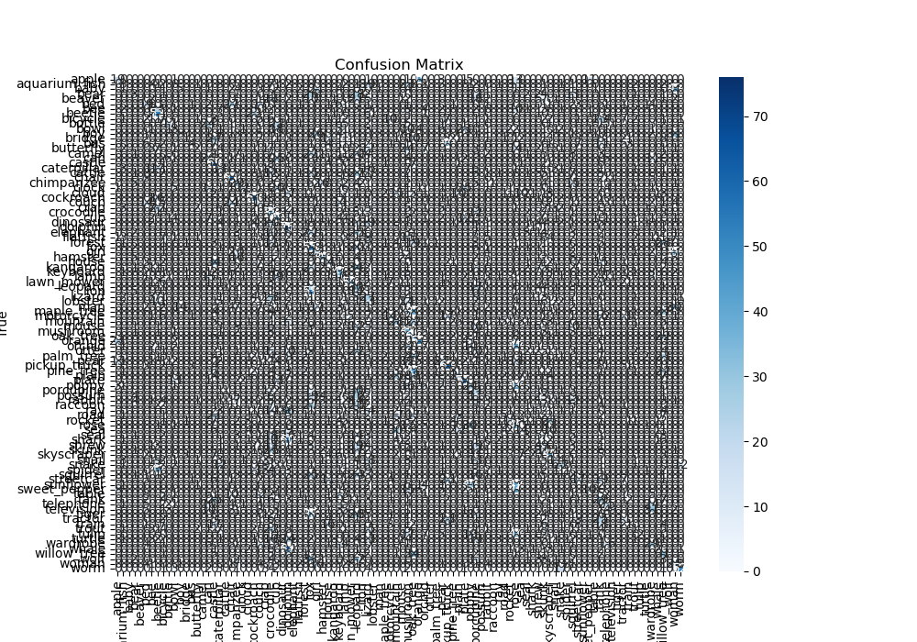
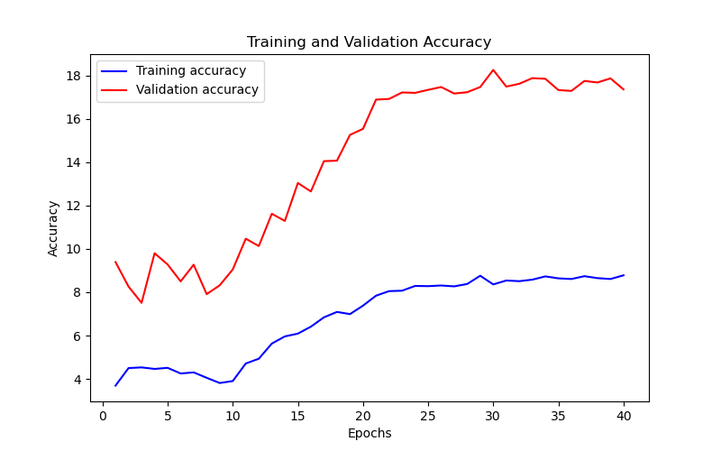
Epoch | Train Accuracy | Train Loss | Validation Accuracy | Validation Loss
1 | 3.69 | 4.162 | 9.39 | 3.716
2 | 4.5 | 4.127 | 8.26 | 3.878
3 | 4.53 | 4.104 | 7.51 | 3.681
4 | 4.46 | 4.099 | 9.8 | 3.675
5 | 4.51 | 4.078 | 9.28 | 3.675
6 | 4.25 | 4.099 | 8.5 | 3.636
7 | 4.3 | 4.146 | 9.27 | 3.796
8 | 4.05 | 4.168 | 7.91 | 3.706
9 | 3.81 | 4.153 | 8.32 | 3.73
10 | 3.9 | 4.111 | 9.05 | 3.721
11 | 4.71 | 4.009 | 10.47 | 3.551
12 | 4.93 | 3.943 | 10.13 | 3.53
13 | 5.63 | 3.907 | 11.62 | 3.486
14 | 5.96 | 3.892 | 11.29 | 3.472
15 | 6.09 | 3.855 | 13.04 | 3.429
16 | 6.41 | 3.852 | 12.65 | 3.433
17 | 6.84 | 3.819 | 14.05 | 3.408
18 | 7.09 | 3.794 | 14.07 | 3.373
19 | 6.99 | 3.765 | 15.26 | 3.339
20 | 7.38 | 3.749 | 15.54 | 3.318
21 | 7.84 | 3.731 | 16.89 | 3.311
22 | 8.05 | 3.711 | 16.92 | 3.309
23 | 8.07 | 3.709 | 17.22 | 3.298
24 | 8.29 | 3.68 | 17.2 | 3.293
25 | 8.28 | 3.704 | 17.34 | 3.296
26 | 8.31 | 3.675 | 17.47 | 3.295
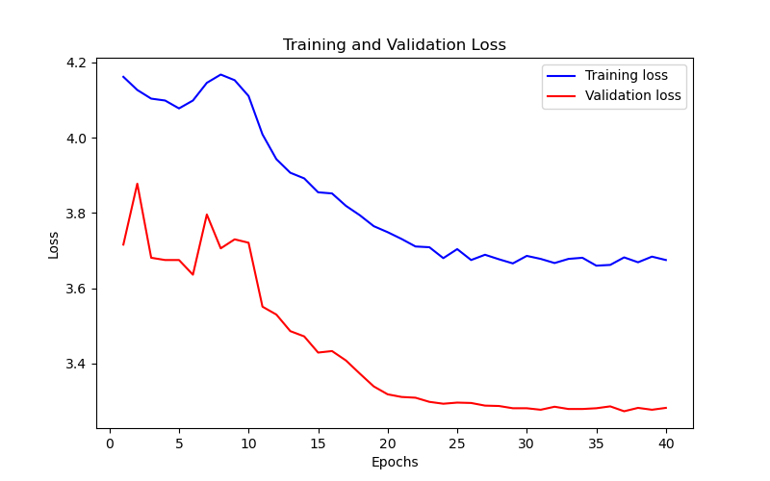
27 | 8.27 | 3.689 | 17.17 | 3.288
28 | 8.38 | 3.677 | 17.23 | 3.287
29 | 8.76 | 3.666 | 17.47 | 3.281
30 | 8.36 | 3.686 | 18.26 | 3.281
31 | 8.54 | 3.678 | 17.49 | 3.277
32 | 8.51 | 3.667 | 17.62 | 3.285
33 | 8.58 | 3.678 | 17.88 | 3.279
34 | 8.73 | 3.681 | 17.85 | 3.279
35 | 8.64 | 3.66 | 17.33 | 3.281
36 | 8.61 | 3.662 | 17.29 | 3.286
37 | 8.74 | 3.682 | 17.75 | 3.273
38 | 8.65 | 3.669 | 17.68 | 3.282
39 | 8.61 | 3.684 | 17.87 | 3.277
40 | 8.78 | 3.675 | 17.36 | 3.282

